Reductions
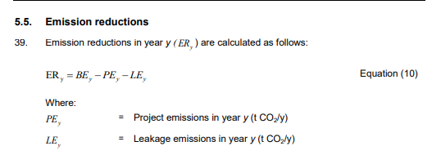
ER(y) | = | BEy (tCO2) | - | PEy (tCO2) | - | LEy (tCO2)
 |  | 3,223 |  | 1,531 |  | 0
 | = | 1,692 | tCO2

Baseline
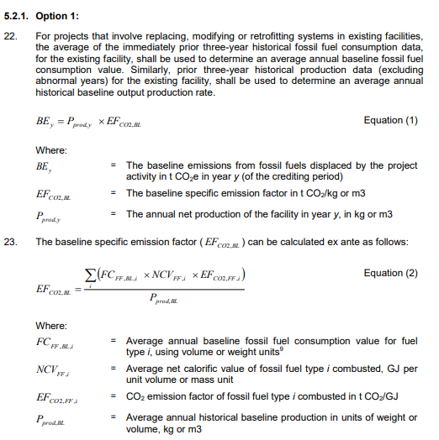

BEy | = | Pprod,y (kg) | x | EFCO2,BL (tCO2/kg) |  |  |  | Fixed ex ante parameters
 | = | 4,498,971 | x | 0.0007164 |  |  |  | Monitered parameters
 | = | 3,223 | TCO2e

EFCO2,BL | = | ( | FCFF,BL,I (kg) | x | NCVFF,I (Gj/kg) | x | EFCO2,FF,I (tCO2e/GJ) | ) | / | Pprod,BL (kg)
 | = | ( | 1,030,678 | x | 0.0404 | x | 0.0774 | ) | / | 4,498,971
 | = | 0.0007164 | tCO2/kg

FCFF,BL,i | = | [( | 2016 (l) | + | 2017 (l) | + | 2018 (l) | ) | / | 3 | ] | x | Density (kg/l)
 |  | [( | 973,950 | + | 1,088,610 | + | 998,860 | ) | / | 3 | ] | x | 1.01
 | = | 1,030,678 | kg

Pprod,BL | = | ( | 2016 (kg) | + | 2017 (kg) | + | 2018 (kg) | ) | / | 3
 |  | ( | 4,730,438 | + | 4,659,448 | + | 4,107,027 | ) | / | 3
 | = | 4,498,971 | kg

 |  | 1,020,473

Project
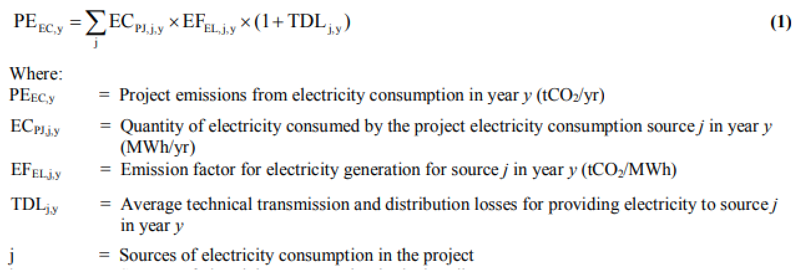
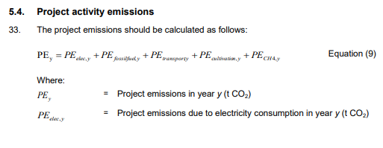
 |  |  |  |  |  | Fixed ex ante parameters
 |  |  |  |  |  | Monitered parameters
PE(y) | = | PEelec,y
 | = | 1,531 | tCO2

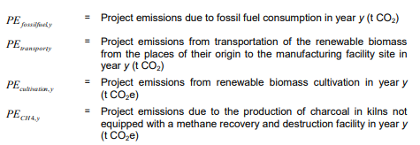
PE(EC,y) | = | ECPJ,j,y (MWh) | x | EFEL,j,y (tCO2/MWh) | x | ( | 1 | + | TDLj,y | )
 | = | 2,181 | x | 0.585 | x | ( | 1 | + | 0.2 | )
 | = | 1,531 | tCO2

